Sheet1
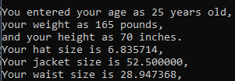
Age | Weight | Height | Exp Hat | Exp Jacket | Exp Waist | Real Hat | Real Jacket | Real Waist
25.0 | 165.0 | 70.0 | 6.8 | 52.5 | 28.9 | 6.8 | 52.5 | 28.9
50.0 | 200.0 | 75.0 | 7.7 | 70.9 | 37.3 | 7.7 | 70.9 | 37.3
75.0 | 160.0 | 60.0 | 7.7 | 49.5 | 32.8 | 7.7 | 49.5 | 32.8

